Guidance
Instructions for Completing the Nutrient Application Log

Turf & Acreage Table | To convert a percent mixture to pounds per acre
- Fill in:
• Column B: Turf Type
• Column C: Acreages

Fertilizer Application Table | 1. If you are applying a liquid mixture (e.g., spray solution):
- Fill in: | You need:
• Column C: TN Application Rate (lbs/acre) |  | Percent of the active ingredient or component in the mix (e.g., 2%)
• Column D: TP Application Rate (lbs/acre) |  | Gallons of solution applied per acre (e.g., 20 gal/acre)
• Column E: Number of Applications |  | Density of the component if needed (usually in lb/gal)
- Auto-calculated: | Example:
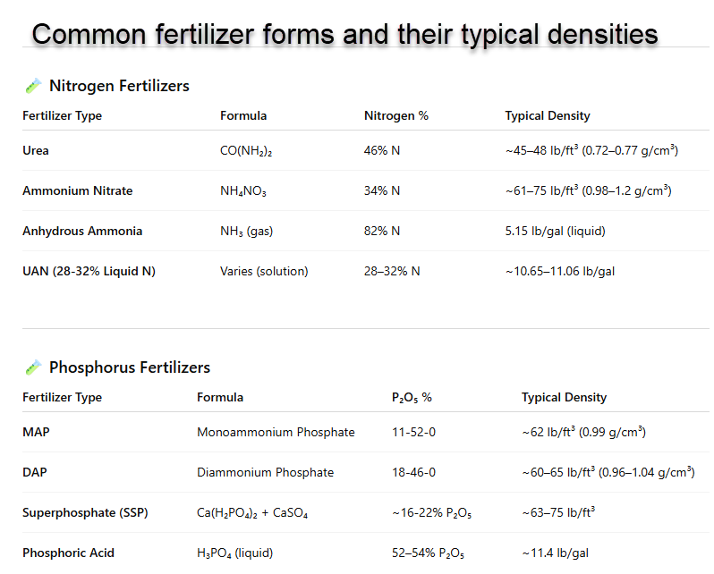
• Column F: Total TN Applied (lbs/acre) | You spray 20 gallons per acre of a solution that is 2% Phosphoric Acid by volume. The density of glyphosate is 11.4 lb/gal.
• Column G: Total TP Applied (lbs/acre) |  | 1. 2% of 20 gal = 0.02 × 20 = 0.4 gallons of Phosphoric Acid per acre
 |  | 2. 0.4 gal × 11.4 lb/gal = 4.56 lb of Phosphoric Acid per acre
Effluent/Reuse Application Table
- Fill in: | 2. If you are applying a dry mixture (e.g., fertilizer blend):
• Column B: Quantity (Gallons/day) | You need:
• Column C: Monthly Average Total Nitrogen (mg/L) |  | Percent of the component in the mix (e.g., 30% nitrogen in a fertilizer)
• Column D: Monthly Average Total Phosphorous (mg/L) |  | Total pounds of mixture applied per acre (e.g., 100 lb/acre)
- Auto-calculated: | Example:
• Column E: Qty of TN Applied (lbs) | You apply 100 lb/acre of a fertilizer that is 30% nitrogen.
• Column F: Running Total of TN Applied per Acre (lbs/acre) = cumulative sum
• Column G: Qty of TP Applied (lbs)
• Column H: Running Total of TP Applied per Acre (lbs/acre) = cumulative sum

Notes | Notes
Enter only values where requested; formulas will auto-calculate totals. | Make sure the units match (e.g., convert gallons to pounds if needed using density).
Do not overwrite formula cells (columns F–H in both tables). | If you’re dealing with percent by weight, use total weight per acre.
Ensure all monthly entries are completed for accurate annual totals. | If it’s percent by volume, use total volume per acre and then convert to weight using density.

