Instruction
PUMPOUT LOG

The Pumpout Log is required to be submitted quarterly: 1] For operation and maintenance grants, it will be required to be submitted quarterly for the duration of the grant agreement period. 2] For Equipment purchasing grants, it will be submitted quarterly starting from the agreement expiration date, up to five (5) years.

This Excel document can be used to record up to five (5) years tracking. Entries are automatically placed into a summary tab called "Five (5) Years".

Getting Started: 1] This form should be filled out in excel or google sheets only. 2] Enter the following information in the first quarter, on top of "Year 1" tab, and it will automatically populate throughout the workbook: o Agreement Number o Facility Name and Address o Contact Name and Phone Number o Equipment Serial Number |  | 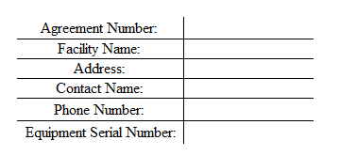

Use The Following Required Formatting: 1] Enter pumpout activity in the appropriate Year and Quarter tab 2] Each pumpout should be recorded on a separate row 3] Complete all required fields for each appropriate quarter • Date: M/D/YYYY • Time Worked (Min): Enter the time the employee spent working in minutes o Note: Only required for the "Operation of Equipment" Tasks, if applicable. • Name Pumpout Operator: Enter the employee's first and last name • Hourly Rate: Enter the employee's hourly rate o Note: Only required for the "Operation of Equipment" Tasks, if applicable. • Number of Florida Vessels Pumped: Enter 1 per vessel serviced • Number of Out of State Vessels Pumped: Enter 1 per vessel serviced • Gallons Pumped Per Vessel: Enter numbers only • Fee(s): Enter the amount charged per vessel | 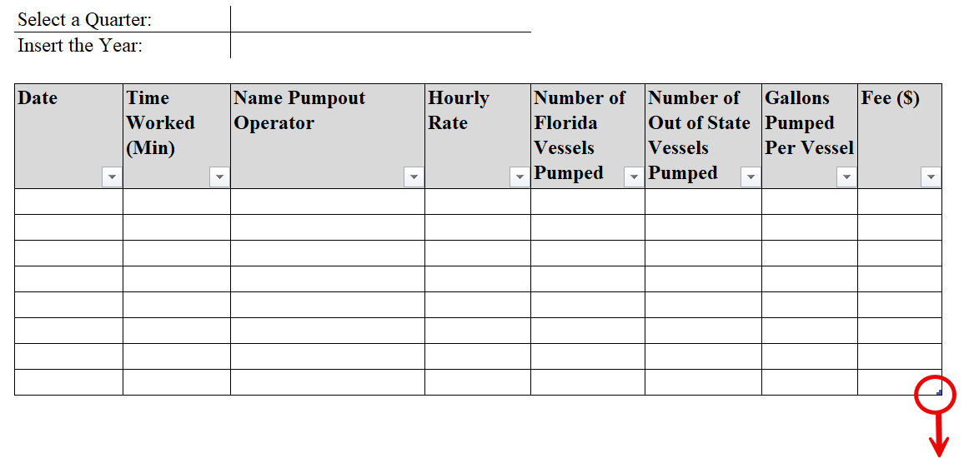

Instructions For Data Accuracy: For the "Five (5) Years" summary tab to calculate all the entered data successfully, please make sure that you are entering data in the table, and not accidentally outside of it. This can be done by extending the table rows, by clicking and dragging down the table corner to extend it to the required length needed.

Salary Reimbursement (100%) Amount: The Pumpout Log document has been made to help grantees with the Operation and Maintenance (Salary) grants, by calculating the amount of reimbursement they are entitled to. This is done by going to the "Five (5) Years" summary sheet and finding the year and the quarter the grantee is requesting reimbursement for, and copying the "Salary Reimbursement (100%)" amount to fill "Exhibit C".

Submission: Do not submit partial reports or individual tabs. Submit the filled excel document via email to CVAGallons@Floridadep.gov, no later than 20 days after the end of each quarter. Quarters end on: March 31, June 30, September 30 and December 31. Do not submit partial reports or individual tabs. Incomplete or incorrectly formatted logs may be returned for correction and delay the reimbursement processing, if applicable.

