Instruction
PUMPOUT LOG

The Pumpout Log is required to be submitted quarterly: 1] For operation and maintenance grants, it will be required to be submitted quarterly for the duration of the grant agreement period. 2] For Equipment purchasing and installation grants, it will be submitted quarterly starting from the agreement end date, up to five (5) years.

This Excel document can be used to record up to five (5) years tracking. It then take the provided entries and place it into a summary tap automatically called "Five (5) Years".
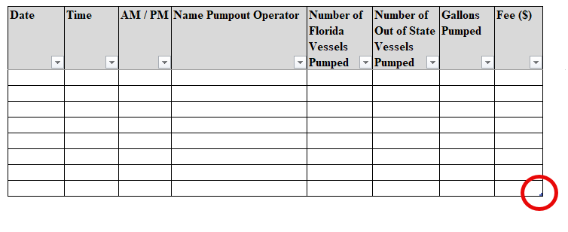
Instructions:
For the "Five (5) Years" summary tap to calculate all the entered data successfully, please make sure that you are entering data in the table, and not accidentally outside of it. This can be done by extending the table rows, by clicking and dragging down the table corner to extend it to the required length needed.

